Travel
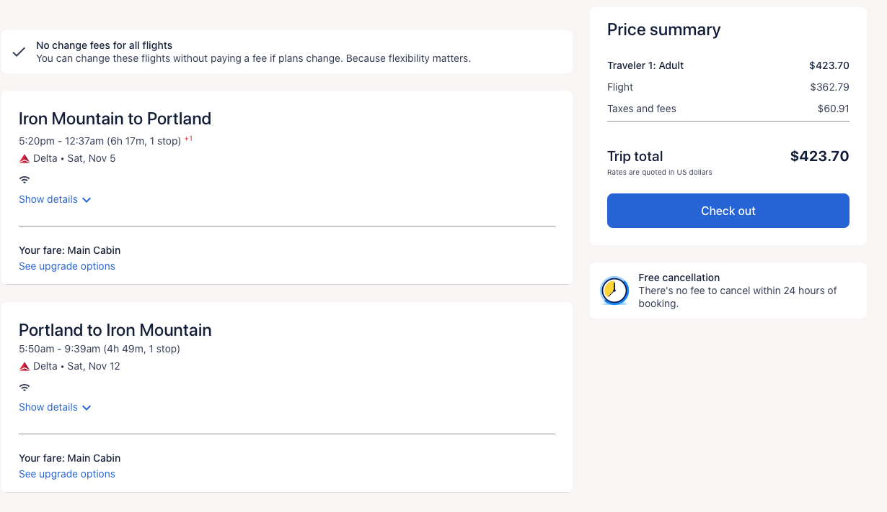
Y1 (Sep 2025 - Aug 2026) |  | Comments
Gas | 215.12 | The cost for gas was calculated using an estimate of gas mileage for compact SUVs. The total mileage was calculated in the "Husky Motors Costs" box and was then used to roughly cost of gas.
Husky motor pools (Fieldwork) | 820 | See Husky motor pool rates box for daily rates. These rates were used to calculate the total cost for trips 1, 2 and 3. The mileage was roughly calculated using daily travel plans (see Husky motors costs box). The first trip Will have 4 days of travel, while the second and third will only have 2.
Lodging | $550.00 | Lodging and Per Diem was calculated following the GSA rates (See Lodging and Per Diem estimates box). The first trip will have a total of 4 days and 3 nights with the following trips lasting 2 days and 1 night.
Per Diem | $442.00

Total | $2,027.12

 |  |  |  |  |  | Husky motor pool Rates |  |  |  |  | Gas estimates
 |  |  |  |  |  | Compast SUV | 95 | a day |  |  | 28 | mpg | 3.2 | dollars per gallon
 |  |  |  |  |  |  | 150 | mile per day milage limit
 |  |  |  |  |  |  | 10 | for every 100 miles beyond daily limit (150) |  |  | 67.225 | gallons | 215.12 | dollars

Lodging and per diem estimates
https://www.gsa.gov/travel/plan-book/per-diem-rates/per-diem-rates-results?action=perdiems_report&fiscal_year=2025&state=MI&city=&zip=
MI GSA rates: | $110/night, $51 first and last day, $68 other days |  |  |  |  |  |  |  |  | Husky Motors Costs
First trip: 1 day driving on each end, three days in hotel, use MI rates. Per diem at 75% 1st and last day. |  |  |  |  |  |  |  |  |  | First trip
Second trip: one overnight |  |  |  |  |  |  |  |  |  | Day one |  |  |  | Day two |  |  | Day three |  |  | Day Four
Third trip: one overnight |  |  |  |  |  |  |  |  |  | Drive from Houghton to Sault Ste. Marie |  | 263 |  | Drive from St. Ignace to Incubation Site (St. Martin's Bay) | 19 |  | Drive from St. Ignace to Whitefish Bay | 58.5 |  | Drive From Sault Ste, Marie to Houghton, MI | 263
 |  |  |  |  |  |  |  |  |  | Drive to St. Ignace |  | 50.9 |  | Drive back to St. Ignace | 19 |  | Drive from Whitefish bay to Sault Ste. Marie | 33.9
 |  |  |  |  |  |  |  |  |  | Total Mileage for day |  | 313.9 |  | Total Mileage for day | 38 |  | Total Mileage for day | 92.4 |  | Total Mileage for day | 263
First Trip |  | 2nd Trip |  | 3rd Trip |  |  |  |  |  | Daily Mileage minus daily limit |  | 163.9 |  | Daily mileage minus daily limit | -112 |  | Daily mileage minus daily limit | -57.6 |  | Daily mileage minus daily limit | 113
Lodging | 330 | Lodging | 110 | Lodging | 110 | 550 |  |  |  | Total cost (Daily fee + Excess mileage) |  | 105 |  | Total cost (Daily fee + Excess mileage) | 95 |  | Total cost (Daily fee + Excess mileage) | 95 |  | Total cost (Daily fee + Excess mileage) | 105
Per Diem | 238 | Per Diem | 102 | Per Diem | 102 | 442

Total | 992

 |  |  |  |  |  |  |  |  |  | 2nd trip
 |  |  |  |  |  |  |  |  |  | Day one |  | Day two
 |  |  |  |  |  |  |  |  |  | Drive from Houghton to St. Martin's Bay | 264 | Drive from St. Ignace to Whitefish Bay | 58.5
 |  |  |  |  |  |  |  |  |  | St. Martin's to St. Ignace | 19 | Drive from Whitefish bay to Houghton, MI | 246
 |  |  |  |  |  |  |  |  |  | Total Mileage for day | 283 | Total Mileage for day | 304.5
 |  |  |  |  |  |  |  |  |  | Daily Mileage minus daily limit | 133 | Daily mileage minus daily limit | 154.5
 |  |  |  |  |  |  |  |  |  | Total cost (Daily fee + Excess mileage) | 105 | Total cost (Daily fee + Excess mileage) | 105

 |  |  |  |  |  |  |  |  |  | 3rd trip
 |  |  |  |  |  |  |  |  |  | Day one |  | Day two
 |  |  |  |  |  |  |  |  |  | Drive from Houghton to St. Martin's Bay | 264 | Drive from St. Ignace to Whitefish Bay | 58.5 |  |  |  | Total Mileage | 1882.3
 |  |  |  |  |  |  |  |  |  | St. Martin's to St. Ignace | 19 | Drive from Whitefish bay to Houghton, MI | 246 |  |  |  | Total vehicle use costs | 820
 |  |  |  |  |  |  |  |  |  | Total Mileage for day | 283 | Total Mileage for day | 304.5
 |  |  |  |  |  |  |  |  |  | Daily Mileage minus daily limit | 133 | Daily mileage minus daily limit | 154.5
 |  |  |  |  |  |  |  |  |  | Total cost (Daily fee + Excess mileage) | 105 | Total cost (Daily fee + Excess mileage) | 105

Y1 (Sep 2025 - Aug 2026) |  |  | Comments
Gas | 472.74 | 472.74 | The cost for gas was calculated using an estimate of gas mileage for compact SUVs. The total mileage was calculated in the "Husky Motors Costs" box and was then used to roughly cost of gas.
Husky motor pools (Fieldwork) | 1020 | 1020 | See Husky motor pool rates box for daily rates. These rates were used to calculate the total cost for trips 1, 2 and 3. The mileage was roughly calculated using daily travel plans (see Husky motors costs box). The first trip Will have 4 days of travel, while the second and third will only have 2.
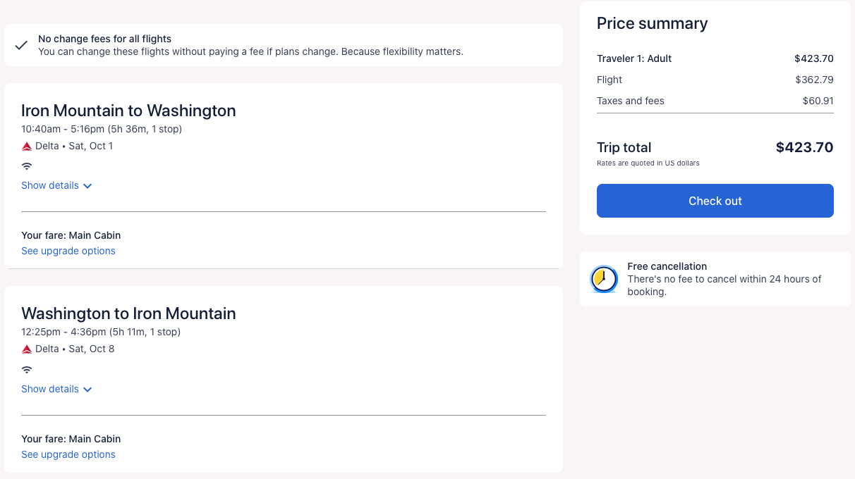
Lodging | $625.00 | $1,250.00 | Lodging and Per Diem was calculated following the GSA rates (See Lodging and Per Diem estimates box). The first trip will have a total of 4 days and 3 nights with the following trips lasting 2 days and 1 night.
Per Diem | $520.00 | $1,040.00

Total | $2,637.74 | $3,782.74

 |  |  |  |  |  |  | Husky motor pool Rates |  |  |  |  | Gas estimates
 |  |  |  |  |  |  | Compast SUV | 95 | a day |  |  | 28 | mpg | 3.2 | dollars per gallon
 |  |  |  |  |  |  |  | 150 | mile per day milage limit
 |  |  |  |  |  |  |  | 10 | for every 100 miles beyond daily limit (150) |  |  | 147.73214286 | gallons | 472.74 | dollars

Lodging and per diem estimates
https://www.gsa.gov/travel/plan-book/per-diem-rates/per-diem-rates-results?action=perdiems_report&fiscal_year=2025&state=MI&city=&zip=
Ann Arbor GSA rates: | $125/night, $60 first and last day, $80 other days |  |  |  |  |  |  |  |  |  | Husky Motors Costs
First trip: 1 day driving on each end, three days in hotel, use MI rates. Per diem at 75% 1st and last day. |  |  |  |  |  |  |  |  |  |  | First trip
Second trip: one overnight |  |  |  |  |  |  |  |  |  |  | Day one |  |  |  | Day two |  |  | Day three |  |  | Day Four
Third trip: one overnight |  |  |  |  |  |  |  |  |  |  | Drive from Houghton to Ann Arbor |  | 538 |  | Ann Arbor to Estral Beach | 45.3 |  | Ann Arbor to Estral Beach | 45.3 |  | Ann Arbor to Houghton | 538
 |  |  |  |  |  |  |  |  |  |  |  |  |  |  | Estral Beach to Harbor Beach | 153 |  | Estral Beach to Ann Arbor | 45.3
 |  |  |  |  |  |  |  |  |  |  | Total Mileage for day |  | 538 |  | Harbor Beach to Ann Arbor | 163 |  | Total Mileage for day | 90.6 |  | Total Mileage for day | 538
First Trip |  |  | 2nd Trip |  | 3rd Trip |  |  | For two people? |  |  | Daily Mileage minus daily limit |  | 388 |  | Total Mileage for day | 361.3 |  | Daily mileage minus daily limit | -59.4 |  | Daily mileage minus daily limit | 388
Lodging | 375 |  | Lodging | 125 | Lodging | 125 | 625 | 1250 |  |  | Total cost (Daily fee + Excess mileage) |  | 125 |  | Daily mileage minus daily limit | 211.3 |  | Total cost (Daily fee + Excess mileage) | 95 |  | Total cost (Daily fee + Excess mileage) | 125
Per Diem | 280 |  | Per Diem | 120 | Per Diem | 120 | 520 | 1040 |  |  |  |  |  |  | Total cost (Daily fee + Excess mileage) | 115

Total | 1145

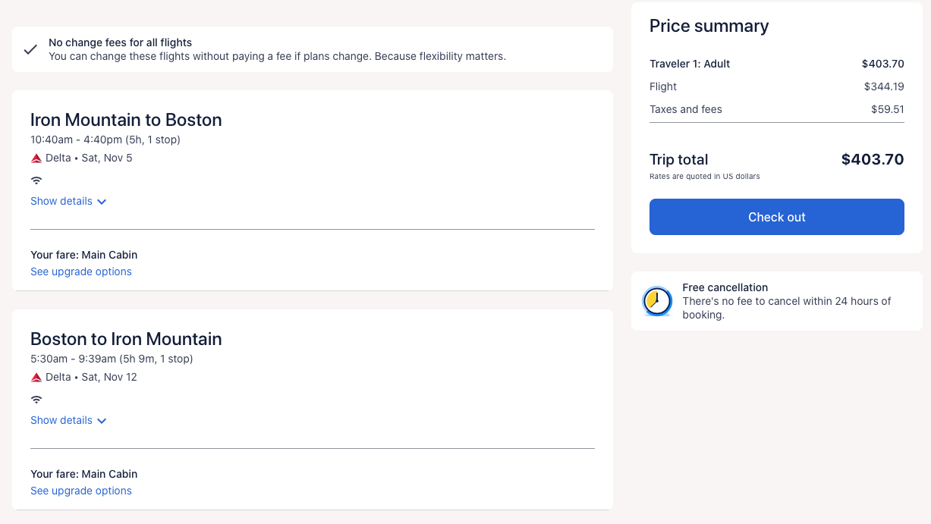
 |  |  |  |  |  |  |  |  |  |  | 2nd trip
 |  |  |  |  |  |  |  |  |  |  | Day one |  |  |  | Day two
 |  |  |  |  |  |  |  |  |  |  | Houghton to Harbor Beach | 516 |  |  | Ann Arbor to Estral Beach | 45.3
 |  |  |  |  |  |  |  |  |  |  | Harbor Beach to Ann Arbor | 163 |  |  | Estral Beach to Houghton | 580
 |  |  |  |  |  |  |  |  |  |  | Total Mileage for day | 679 |  |  | Total Mileage for day | 625.3
 |  |  |  |  |  |  |  |  |  |  | Daily Mileage minus daily limit | 529 |  |  | Daily mileage minus daily limit | 475.3
 |  |  |  |  |  |  |  |  |  |  | Total cost (Daily fee + Excess mileage) | 145 |  |  | Total cost (Daily fee + Excess mileage) | 135

 |  |  |  |  |  |  |  |  |  |  | 3rd trip
 |  |  |  |  |  |  |  |  |  |  | Day one |  | Day two
 |  |  |  |  |  |  |  |  |  |  | Houghton to Harbor Beach | 516 |  |  | Ann Arbor to Estral Beach | 45.3 |  | Total Mileage | 4136.5
 |  |  |  |  |  |  |  |  |  |  | Harbor Beach to Ann Arbor | 163 |  |  | Estral Beach to Houghton | 580 |  | Total vehicle use costs | 1020
 |  |  |  |  |  |  |  |  |  |  | Total Mileage for day | 679 |  |  | Total Mileage for day | 625.3
 |  |  |  |  |  |  |  |  |  |  | Daily Mileage minus daily limit | 529 |  |  | Daily mileage minus daily limit | 475.3
 |  |  |  |  |  |  |  |  |  |  | Total cost (Daily fee + Excess mileage) | 145 |  |  | Total cost (Daily fee + Excess mileage) | 135

